Sheet1
 |  |  |  |  | SIM-KS10 ODASI KLİMA TÜKETİM RAPORU (Kwh)

Data Warnings

 |  | Message |  |  |  |  |  |  | Date Added
 |  | Data was not available for some of the selected source and measurement combinations. |  |  |  |  |  |  | 11/1/2023 12:33:24 AM
 |  | One or more gaps were detected in data used for this report. |  |  |  |  |  |  | 11/1/2023 12:33:20 AM

 |  | Usage Summary

 |  | Source | Real Energy (kWh)
 |  |  | January 2023 |  |  | February 2023 |  | March 2022 |  | March 2023 | April 2022 | April 2023 | May 2022 | May 2023 | June 2022 | June 2023 | July 2022 | July 2023 | August 2022 | August 2023 | September 2022 | September 2023 | October 2022 | October 2023 | November 2022 | December 2022
 |  | SIM-KS10 KLİMA | 27,430.40 |  |  | 24,793.21 |  | 25,978.48 |  | 27,458.09 | 26,485.69 | 24,079.45 | 27,424.24 | 24,309.00 | 26,562.62 | 22,978.00 | 27,227.30 | 24,798.00 | 27,464.25 | 25,649.00 | 26,574.93 | 24,588.00 | 27,467.32 | 22,932.00 | 26,568.77 | 27,464.25
 |  | Total | 27,430.40 |  |  | 24,793.21 |  | 25,978.48 |  | 27,458.09 | 26,485.69 | 24,079.45 | 27,424.24 | 24,309.00 | 26,562.62 | 22,978.00 | 27,227.30 | 24,798.00 | 27,464.25 | 25,649.00 | 26,574.93 | 24,588.00 | 27,467.32 | 22,932.00 | 26,568.77 | 27,464.25

 |  | Relative Usage Column Chart

 |  | 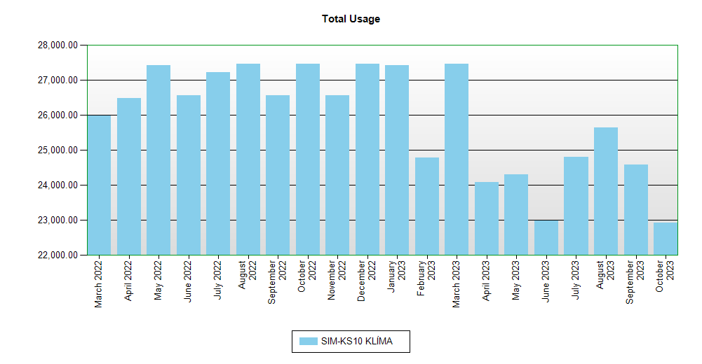

 | Interval Usage Data

 |  | Period : January 2023 Interval : Day of Month |  | SIM-KS10 KLİMA |  |  | Interval Total
 |  | 1 |  | 886.24 |  |  | 886.24
 |  | 2 |  | 886.24 |  |  | 886.24
 |  | 3 |  | 886.24 |  |  | 886.24
 |  | 4 |  | 886.24 |  |  | 886.24
 |  | 5 |  | 886.24 |  |  | 886.24
 |  | 6 |  | 886.24 |  |  | 886.24
 |  | 7 |  | 886.24 |  |  | 886.24
 |  | 8 |  | 886.24 |  |  | 886.24
 |  | 9 |  | 886.24 |  |  | 886.24
 |  | 10 |  | 886.24 |  |  | 886.24
 |  | 11 |  | 886.24 |  |  | 886.24
 |  | 12 |  | 886.24 |  |  | 886.24
 |  | 13 |  | 880.09 |  |  | 880.09
 |  | 14 |  | 883.16 |  |  | 883.16
 |  | 15 |  | 877.01 |  |  | 877.01
 |  | 16 |  | 886.24 |  |  | 886.24
 |  | 17 |  | 886.24 |  |  | 886.24
 |  | 18 |  | 886.24 |  |  | 886.24
 |  | 19 |  | 883.16 |  |  | 883.16
 |  | 20 |  | 883.16 |  |  | 883.16
 |  | 21 |  | 886.24 |  |  | 886.24
 |  | 22 |  | 886.24 |  |  | 886.24
 |  | 23 |  | 886.24 |  |  | 886.24
 |  | 24 |  | 886.24 |  |  | 886.24
 |  | 25 |  | 886.24 |  |  | 886.24
 |  | 26 |  | 880.09 |  |  | 880.09
 |  | 27 |  | 886.24 |  |  | 886.24
 |  | 28 |  | 883.16 |  |  | 883.16
 |  | 29 |  | 877.01 |  |  | 877.01
 |  | 30 |  | 886.24 |  |  | 886.24
 |  | 31 |  | 886.24 |  |  | 886.24
 |  | Period Totals |  | 27,430.40

